Calc behind gradient boosting
Tractor | HP | Age | Hours | Actual Price |  |  |  |  | What is boosting technique: | Sequence of different model to reduce error. Last model will be best .
A | 180 | 3 | 1,500 | € 95,000 |  | Dataset |  |  |  | we will use 3 models as the dataset is very low. In reality it is 100 to 150 models can be there.Depends on your configuration
B | 80 | 10 | 8,000 | € 18,000
C | 180 | 12 | 9,000 | € 42,000
D | 80 | 2 | 500 | € 28,000
E | 180 | 10 | 5,000 | € 40,000

Model 0 | At the first model , Model simply takes the mean to predict the value for regression cases. Ours is regression case and not Classification |  |  |  |  |  |  | Step 0 of Gradient Boosting: | F0​(x)=mean(y)

Tractor | HP | Age | Hours | Actual Price | Pred 1
A | 180 | 3 | 1,500 | € 95,000 | € 44,600
B | 80 | 10 | 8,000 | € 18,000 | € 44,600
C | 180 | 12 | 9,000 | € 42,000 | € 44,600
D | 80 | 2 | 500 | € 28,000 | € 44,600
E | 180 | 10 | 5,000 | € 40,000 | € 44,600

Now to test the performance of first model, we need a loss function. Which will tell us how much was the loss.
Actual - Predicted . We call it pseudo residual.
residuals = | ri​=yi​−F0​(xi​)

Tractor | HP | Age | Hours | Actual Price | Pred 1 | res 1 | Interpretation | Pred = Predicted value
A | 180 | 3 | 1,500 | € 95,000 | € 44,600 | € 50,400 | hugely underpredicted | res = Residual value, residual is the error
B | 80 | 10 | 8,000 | € 18,000 | € 44,600 | -€ 26,600 | hugely overpredicted
C | 180 | 12 | 9,000 | € 42,000 | € 44,600 | -€ 2,600 | moderate errors
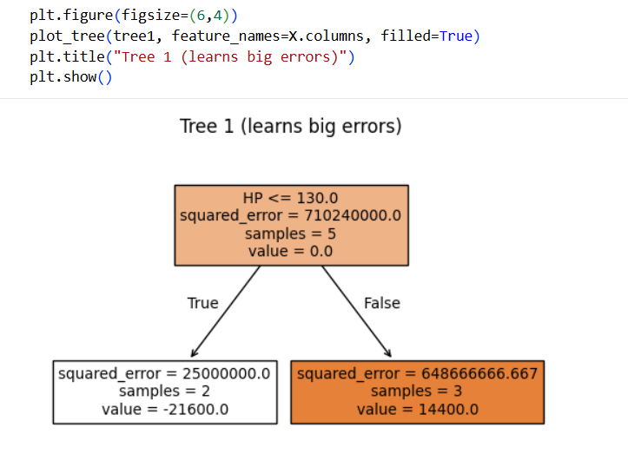
D | 80 | 2 | 500 | € 28,000 | € 44,600 | -€ 16,600 | moderate errors
E | 180 | 10 | 5,000 | € 40,000 | € 44,600 | -€ 4,600 | moderate errors

Model 1
Now we have to send these mistakes done by model 1 to next model so that model 2 can learn from earliers model's mistakes
We will train the Model 2 with Inputs : HP, Age, Hours BUT Target will not be PRICE , here we will train with res 1 to predict how many mistakes (in quantity is done by model 1)
 |  |  |  |  |  |  |  |  | lr=0.1 (learning rate to avoid overfitting)
Tractor | HP | Age | Hours | Actual Price | Pred 1 | res 1 | Leaf value taken from tree | Helper column to take leaf values from tree | pred 2 : mean+lr×leaf value
A | 180 | 3 | 1,500 | € 95,000 | € 44,600 | € 50,400 | € 14,400 | Right | € 46,040
B | 80 | 10 | 8,000 | € 18,000 | € 44,600 | -€ 26,600 | -€ 21,600 | Left | € 42,440
C | 180 | 12 | 9,000 | € 42,000 | € 44,600 | -€ 2,600 | € 14,400 | Right | € 46,040
D | 80 | 2 | 500 | € 28,000 | € 44,600 | -€ 16,600 | -€ 21,600 | Left | € 42,440
E | 180 | 10 | 5,000 | € 40,000 | € 44,600 | -€ 4,600 | € 14,400 | Right | € 46,040

As you can see in the image , that the Tree generated in only for HP.
Reason: We gave in the code: DecisionTreeRegressor(max_depth=1) , ONLY ONE SPLIT, So the tree must choose: HP OR Age OR Hours (only one!)
How the tree decides which feature to pick: It tries all possible splits and picks the one that minimizes: MSE after split

Let’s look at data:
Tractor | HP | Price |  | Split on HP: |  | Compare with Age | Compare with Hours |  |  | Why not use all features?
A | 180 | 95k |  | HP <= 130 → B, D → low prices HP > 130 → A, C, E → high prices |  | Age is messy: low age → sometimes high price (A) low age → sometimes low price (D) Not clean separation | Same problem: low hours → high price (A) low hours → medium price (D) Mixed signal |  | Tree tries to minimize: ∑(yi​−yˉ​leaf​)2 HP gives maximum error reduction | Because this is NOT linear regression Tree does NOT do: y=w1​⋅HP+w2​⋅Age+w3​⋅Hours Instead it does: IF condition → value
B | 80 | 18k
C | 180 | 42k |  |  |  | In later trees: Tree 2 sees residuals, not original target. Now HP might not be best anymore. Then it may choose: Hours Age | 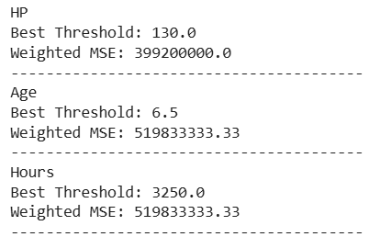
D | 80 | 28k
E | 180 | 40k

Model 2
We again first need to decide how was the performance of model 2 . For that we again calculate the residue
Tractor | HP | Age | Hours | Actual Price | Pred 1 | res 1 | Leaf value taken from tree | pred 2 : mean+lr×leaf value | res 2 = actual - pred | Interpretation.
A | 180 | 3 | 1,500 | € 95,000 | € 44,600 | € 50,400 | € 14,400 | € 46,040 | € 48,960 | Res1 > res 2
B | 80 | 10 | 8,000 | € 18,000 | € 44,600 | -€ 26,600 | -€ 21,600 | € 42,440 | -€ 24,440 | so Model is reducing the error
C | 180 | 12 | 9,000 | € 42,000 | € 44,600 | -€ 2,600 | € 14,400 | € 46,040 | -€ 4,040
D | 80 | 2 | 500 | € 28,000 | € 44,600 | -€ 16,600 | -€ 21,600 | € 42,440 | -€ 14,440
E | 180 | 10 | 5,000 | € 40,000 | € 44,600 | -€ 4,600 | € 14,400 | € 46,040 | -€ 6,040

Ideal residual value is 0 , that means model is performing the exact same value as the actual

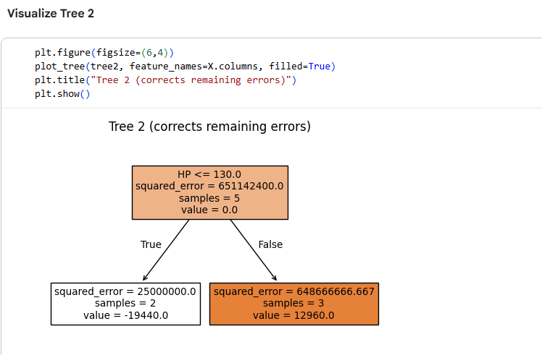
 |  |  |  |  |  | continued table from model 2
 |  |  |  |  |  | helper column to select leaf value | leafpred 3 | Pred 3 = m1 + (0.1 * m2) + (0.1*m3)
 |  |  |  |  |  | Right | € 12,960 | € 47,336.00
 |  |  |  |  |  | Left | -€ 19,440 | € 43,736.00
 |  |  |  |  |  | Right | € 12,960 | € 47,336.00
 |  |  |  |  |  | Left | -€ 19,440 | € 40,496.00
 |  |  |  |  |  | Right | € 12,960 | € 47,336.00

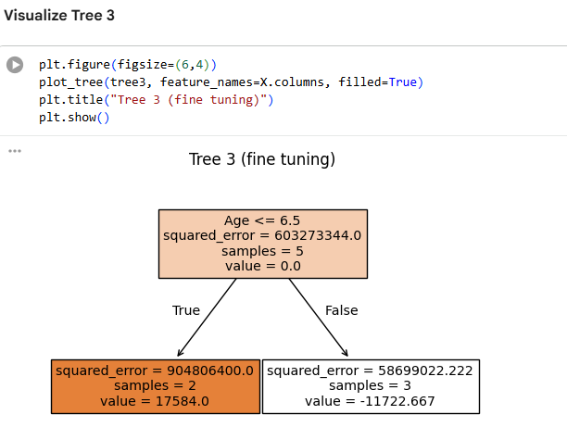
Model 3
we can similarly generate Final prediction |  |  | Final Predication | Interpretation
 |  |  | € 49,094.40 | Error is large still. Need more models . Actual-final pred
 |  |  | € 39,323.73
 |  |  | € 46,163.73
 |  |  | € 42,254.40
 |  |  | € 46,163.73

 |  | We expect:
 |  | Prediction≈Actual

 |  | If error is large → model needs improvement.

 |  | With only 3 shallow trees (max_depth=1)
 |  | And small learning rate (0.1), It cannot fully capture the pattern yet.

Gradient boosting builds trees sequentially to correct previous errors
At each step, it:

1. Computes residuals (errors)
2. Fits a new tree to predict those residuals
3. Adds that tree to the model

So the model is constantly asking:
“Which feature helps reduce the remaining error the most?”

If a feature-engineered column helps reduce residuals strongly, it becomes very important.

It prefers features that: Reduce prediction error the most during gradient optimization.

Engineered columns often:
Make patterns easier to learn
Reduce residual variance faster
Capture domain structure

actual mathematical formulas
